Sheet1
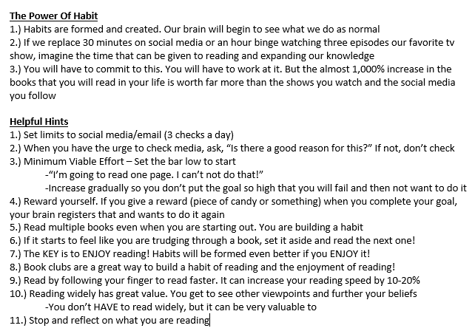
How To Read More
 |  | Just fill in orange blocks, everything will calculate

How Much Do You Currently Read?
1.) How many books do you read a year, on average? |  | books a year
2.) How many more years to you think you will live? |  | years left to live
3.) Amount of books you will theoretically read before you die | 0 | theoretical books you will read before you die

Figuring Out Your Reading Speed
1.) Read the essay included and time yourself
2.) Record time in Seconds |  | seconds
3.) Total words of essay (1,000) divided by seconds read |  | words/second
4.) Words per minute |  | words/minute
5.) Words per hour |  | words/hour
6.) Number of Hours to read a book (average book length is 100,000 words, or 300 pages) |  | hours to read a book

How Do You Currently Stand? (Based on reading speed)
1.) Theoretical amount of books you will read before you die | 0 | books
Let's figure out how many minutes a day you need to read to reach that goal
2.) Minutes per book based on reading speed |  | minutes per book
3.) Minutes per year to reach your theoretical goal |  | minutes per year to reach theoretical goal
4.) Minutes you need to read per day to reach theoretical goal |  | minutes a day to reach theoretical goal
5.) Number of days per book to reach theoretical goal |  | days per book to reach theoretical goal

Based On Your Minutes Per Day, Pick An Increased Reading Time

What If You Read For 30 Minutes A Day? |  |  | What If You Read For 60 Minutes A Day?
1.) Minutes to read book |  | minutes per book | 1.) Minutes to read book | minutes per book
2.) Minutes per book divided by 30 minutes a day |  | days to read a book | 2.) Minutes per book divided by 60 minutes a day | days to read a book
3.) New amount of books per year with increased reading time |  | books per year | 3.) New amount of books per year with increased reading time | books per year
4.) New amount of total books read before you die |  | books read in your lifetime | 4.) New amount of total books read before you die | books read in your lifetime

What If You Read For 45 Minutes A Day? |  |  | What If You Read For 90 Minutes A Day?
1.) Minutes to read book |  | minutes per book | 1.) Minutes to read book | minutes per book
2.) Minutes per book divided by 45 minutes a day |  | days to read a book | 2.) Minutes per book divided by 90 minutes a day | days to read a book
3.) New amount of books per year with increased reading time |  | books per year | 3.) New amount of books per year with increased reading time | books per year
4.) New amount of total books read before you die |  | books read in your lifetime | 4.) New amount of total books read before you die | books read in your lifetime

Misapplied Areas Of Reading
1.) How many minutes a day do you roughly spend on social media? |  | minutes on social media per day
(This would include Youtube, FB, Instagram, Snapchat, reddit, non-relevant news, etc.)
2.) Minutes per year on social media | 0 | minutes on social media per year
3.) Hours per year on social media | 0 | hours on social media per year
4.) How many social media "books" do you read a year? |  | social media "books" read per year
5.) Are you content with reading that many social media "books" but not real books?

